Dashboard
Filters:
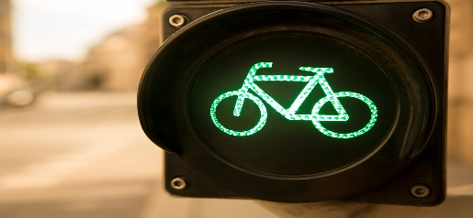 Bike Sale Dashboard | 

Customer Commute Per Purchase
 | No | Yes
0-1 Miles | 166 | 200
1-2 Miles | 92 | 77
2-5 Miles | 67 | 95
5-10 Miles | 116 | 76
More than 10 Miles | 78 | 33

Data Analysis Questions:
1. Who is more likely to purchase a bike?
2. What factors affect someone from purchasing a bike?
3. Who purchases bicycles more?

